#1
1. The processing time in which invoices are settled (average # of days rounded to a whole number)
Average Days to Settle Invoice by Country
Row Labels | Average of days_to_settle
China | 23
Spain | 25
France | 28
United States | 28
Russia | 29
Grand Total | 26

using excel functions
Ans: | 26
MEDIAN | 26
MODE | 26
STDEV | 12
Acceptable Range
Lower Limit | 14 | days
Upper Limit | 38 | days

#2
Average Days to Settle Disputes by Country
2. The processing time for the company to settle disputes (average # of days rounded to a whole number)

Row Labels | Average of days_settled | Sum of disputed
France | 34 | 222
China | 34 | 61
Spain | 37 | 59
Russia | 38 | 149
United States | 41 | 80
Overall Ave | 36 | 571

Source Table: Disputed

using excel functions
Ans: | 36.0

#3
3. Percentage of disputes received by the company that were lost (within two decimal places)

Source Table: Yellevate Invoices
Row Labels | Count of invoice_number | Sum of dispute_lost | dispute lost
Russia | 387 | 13 | 3.4%
Spain | 396 | 4 | 1.0%
United States | 506 | 3 | 0.6%
France | 561 | 76 | 13.5%
China | 616 | 5 | 0.81%
Grand Total | 2466 | 101

Dispute Lost per Country
Answer: | 4.10

using excel functions
Count of disputes
101
Count of all transactions
2466

Answer: | 4.10

#5
5. The country where the company reached the highest losses from lost disputes (in USD)
Losses from Disputes in USD by Country
Row Labels | Sum of lost_invoice
Spain | 17046
United States | 22936
China | 42630
Russia | 81291
France | 526264
Grand Total | 690167

Answer: | France

 |  | 526264 | 3.56%
 |  | 14770318

Dashboard
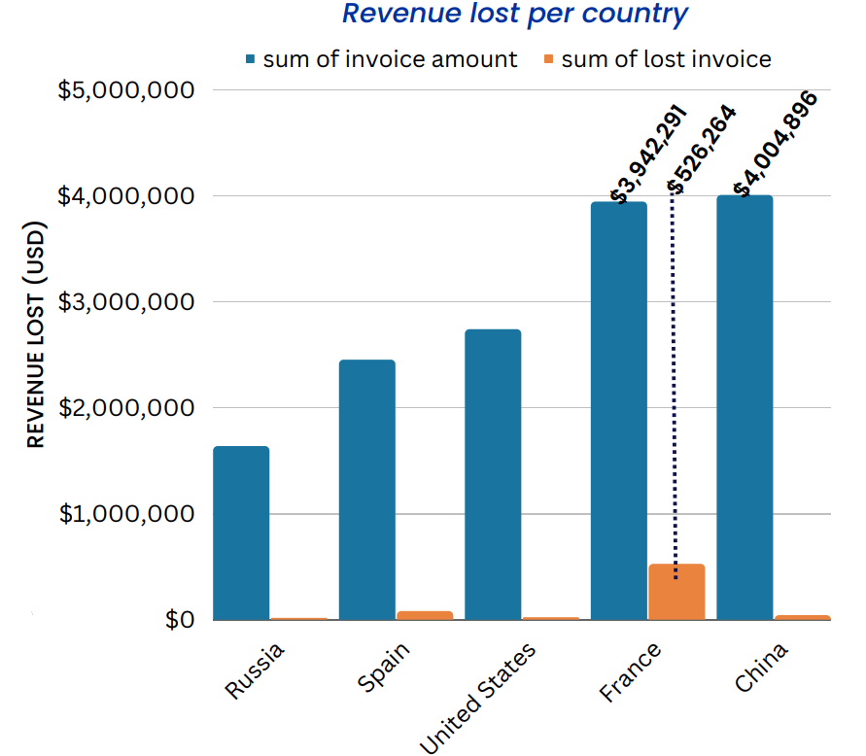
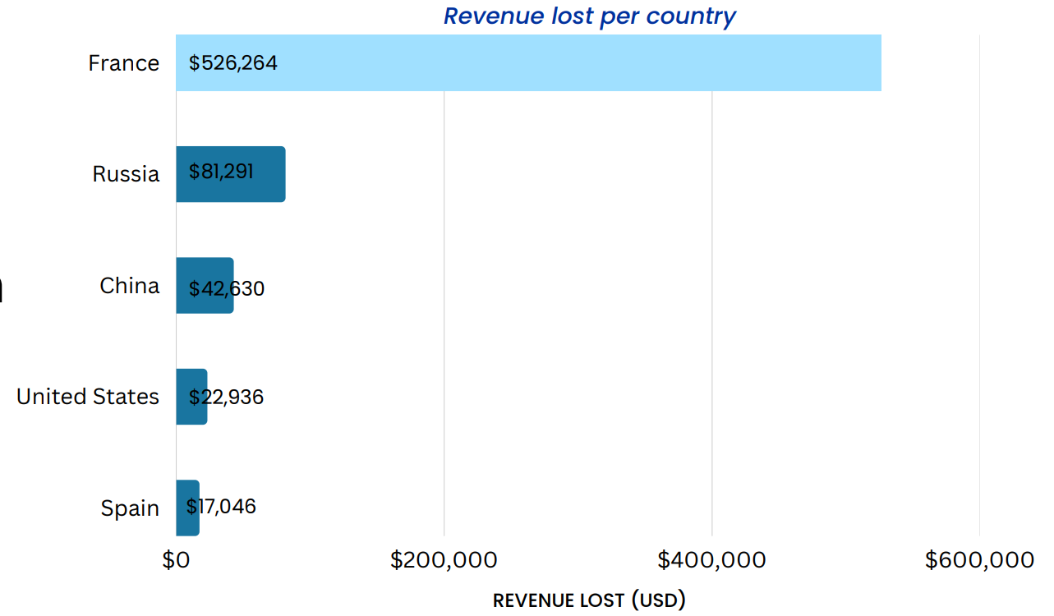
Understanding Yellevator's Payment Opt-outs : Developing Effective Financial Management Strategies

Average Days to Settle Invoice
Average Days to Settle Disputes
Percentage of Disputes by the Company that Were Lost

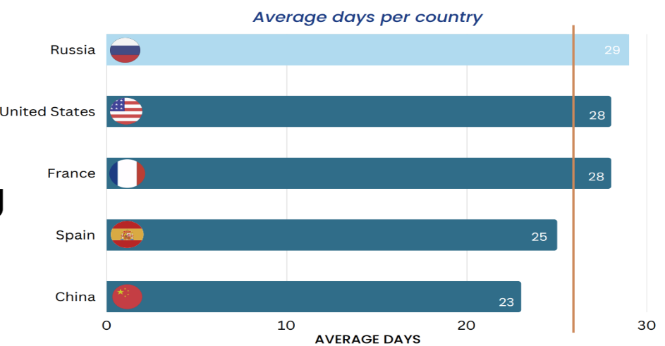
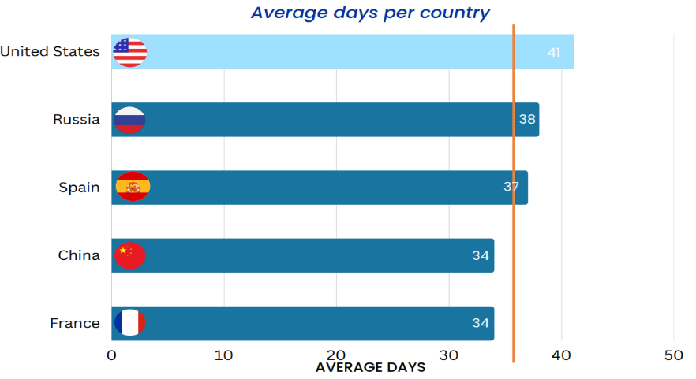
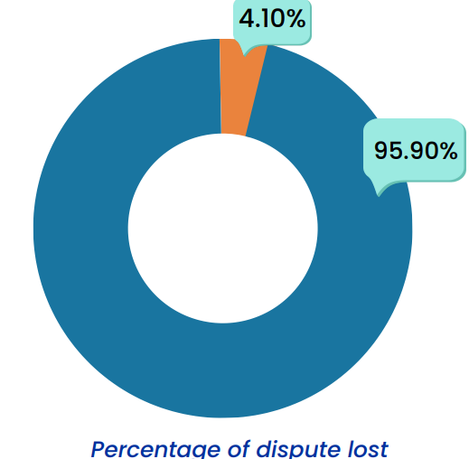

Revenue Lost from Lost Disputes
Main Contributor of Revenue Lost

Recommendation
RECOMMENDATIONS

1. Create Dispute Team.
This is to address the issue of disputes and dispute loss. Its main task is assessing customer disputes. The dispute team will focus on France knowing that the greatest number of disputes came from France. Dig deeper why there are repeat customers in France with many lost disputes to the disadvantage of the company. What are their reasons for raising disputes? Why do they still get services when they have raised many disputes against the company? From this information we can see that the repeat customers are kind of playing around the company. The role of the dispute team is crucial to filter out ‘bad’ customers. The quality of the services provided by the company is not a factor of such high dispute loss in France. Because from the investigation, it turned out that only France has the highest number of lost disputes though it is second in terms of revenue generation. But China as the major revenue generator has the least dispute raised and lost. It implies that the quality of service is not the factor. This can give us a picture of what is going on in French customers. This is where the crucial role of the Dispute Team comes in. Getting more information from France challenging customers will give the team an idea in arriving at a sound dispute resolution. Recommended resolutions are subject for approval by the management. Another role of the dispute team is to collaborate with other teams from other countries on how they handle disputes. For example, Russia has 136 disputes but lost only 13 disputes in favor of the clients. The dispute team can check on these disputed invoices to get more ideas in order to come up with sound dispute resolution. And eventually provide suggestions in improving further the services of the company to the clients. Client disputes could potentially contain areas of services that the company needs to improve.
2. Prepaid Service- Cancel anytime within 7 days.
Prepaid Payment options: Monthly, Quarterly, Semi-annual, Annual. This is to address the issue of revenue losses due to disputes. There is a high chance that the customer will evade payment of the invoice once a dispute is raised. As a guarantee that the company will not be in disadvantage, the customer must pay first before the execution of the service. This is to ensure that the company will not be left out without pay once the customer raises a dispute. Though the customer can cancel anytime within 7 days without questions asked. But in the event the customer raises a dispute after 7 days, this will be assessed by the Dispute Team. Refund is subject to approval by the management.
3. Payment Tracking Automation.
This will send automated notifications or reminders to customers to improve collection of payments and to avoid missing the 30-day payment due. Many invoices were settled late though on average the processing time is within 30-days. It seems the 30-day payment due is not followed. It seems the company has no hold or so lenient in collecting payments. It should be stated upfront regarding the payment due. Penalties or surcharges should be applied for late payments. Better also to introduce auto-debit arrangement to ensure that payment will be paid on time.

